BUSINESS CASE 1
Scenario
The 19th Hole sells golf clubs at its golf outlet stores throughout the US. The company knows that the demand for its club varies considerably with price. In the last year, the demand at each price level was recorded in the table below.
Month Price Demand (00s)
1 450 45
2 300 103
3 440 49
4 360 86
5 290 125
6 450 52
7 340 87
8 370 68
9 500 45
10 490 44
11 430 58
12 390 68
The company wants to estimate the relationship between demand and price and then use this estimated relationship to answer the following questions:
1. Assuming the unit cost of producing a set of clubs is $250, and the price must be a multiple of $10, what price should the company charge to maximize its profit?
2. How does the optimal price depend on the unit cost of producing a set of clubs?
3. Is the model an accurate representation of reality?
ABSOLUTE PERCENT ERROR HELPS DETERMINE WHICH MODEL IS BEST FOR PREDICTION.
ALWAYS REMEMBER TO HAVE MULTIPLE DECIMAL POINTS.
THE 19TH HOLE |  |  |  | MONTH | PRICE | DEMAND(00s)
 |  |  |  | 1 | 450 | 45
MODEL THE BUSINESS |  |  |  | 2 | 300 | 103
UNIT COST FOR CLUBS | $250.00 | PER SET |  | 3 | 440 | 49
SALE PRICE | $600.00 | MULTIPLE OF 10 |  | 4 | 360 | 86
DEMAND(00s) | 29 |  | G17*B6%^G18 | 5 | 290 | 125
ACTUAL DEMAND | 2938 | DEMAND IS IN HUNDREDS | B7*100 | 6 | 450 | 52
 |  |  |  | 7 | 340 | 87
COST | $734,419.56 | B5*B8 |  | 8 | 370 | 68
 |  |  |  | 9 | 500 | 45
REVENUE | $1,762,606.95 | B6*B8 |  | 10 | 490 | 44
 |  |  |  | 11 | 430 | 58
PROFIT | $1,028,187.39 | B12-B10 |  | 12 | 390 | 68

 |  |  | Linear: | y =mx+b | Power | y=ax^b | Exponential: | y=ae^(bx)
 |  |  | Intercept(b): | 211.31 | Constant (a) | 5871064 | Constant(a) | 466.5
 |  |  | slope(m): | -0.3546 | Exponent(b) | -1.908 | Exponent(b) | -0.005

 |  |  |  |  | NB: BE AWARE OF ROUNDING OFF AS IT AFFECTS VALUES
PREDICTION BASED ON MODELS |  |  |  |  | ABSOLUTE PERCENT ERROR
PRICE | LINEAR | POWER | EXPONENTIAL | DEMAND | LINEAR | EXPONENTIAL | POWER
450 | 51.7 | 50.9 | 49.2 | 45 | 15.0% | 9.3% | 13.0%
300 | 104.9 | 110.2 | 104.1 | 103 | 1.9% | 1.1% | 7.0%
440 | 55.3 | 53.1 | 51.7 | 49 | 12.8% | 5.5% | 8.3%
360 | 83.7 | 77.9 | 77.1 | 86 | 2.7% | 10.3% | 9.5%
290 | 108.5 | 117.6 | 109.4 | 125 | 13.2% | 12.5% | 5.9%
450 | 51.7 | 50.9 | 49.2 | 52 | 0.5% | 5.4% | 2.2%
340 | 90.7 | 86.8 | 85.2 | 87 | 4.3% | 2.0% | 0.2%
370 | 80.1 | 73.9 | 73.4 | 68 | 17.8% | 7.9% | 8.7%
500 | 34.0 | 41.6 | 38.3 | 45 | 24.4% | 14.9% | 7.6%
490 | 37.6 | 43.2 | 40.3 | 44 | 14.6% | 8.5% | 1.7%
430 | 58.8 | 55.5 | 54.3 | 58 | 1.4% | 6.3% | 4.4%
390 | 73.0 | 66.8 | 66.4 | 68 | 7.4% | 2.4% | 1.7%
 |  |  |  | AVERAGE | 9.7% | 7.2% | 5.9% | USE MODEL WITH LESS ERROR

QN1. PROFIT VS PRICE(1 WAY TABLE)
 | PRICE | PROFIT |  | ANSWER1. |  |  | QN2. HOW PRICE DEPENDS ON UNIT COST(2WAY TABLE)
 |  | $1,028,187 |  |  | SELLING PRICE OF $ 530
 | $250 | $- |  |  | PROFIT $ 1,042,213
 | $260 | $144,860 |  |  |  |  |  |  | UNIT COST
 | $270 | $269,591 |  |  |  |  |  | $1,028,187 | $250 | $300 | $350 | $400 | $450 | $500 | $550 | $600 | $650 | $700 | $750 | $800
 | $280 | $377,277 |  |  |  |  | PRICE | $250 | $- | $(780,580) | $(1,561,160) | $(2,341,739) | $(3,122,319) | $(3,902,899) | $(4,683,479) | $(5,464,058) | $(6,244,638) | $(7,025,218) | $(7,805,798) | $(8,586,377)
 | $290 | $470,459 |  |  |  |  |  | $260 | $144,860 | $(579,439) | $(1,303,738) | $(2,028,036) | $(2,752,335) | $(3,476,633) | $(4,200,932) | $(4,925,231) | $(5,649,529) | $(6,373,828) | $(7,098,127) | $(7,822,425)
 | $300 | $551,238 |  |  |  |  |  | $270 | $269,591 | $(404,386) | $(1,078,362) | $(1,752,339) | $(2,426,315) | $(3,100,292) | $(3,774,268) | $(4,448,245) | $(5,122,221) | $(5,796,198) | $(6,470,174) | $(7,144,151)
 | $310 | $621,370 |  |  |  |  |  | $280 | $377,277 | $(251,518) | $(880,313) | $(1,509,109) | $(2,137,904) | $(2,766,699) | $(3,395,495) | $(4,024,290) | $(4,653,085) | $(5,281,881) | $(5,910,676) | $(6,539,471)
 | $320 | $682,321 |  |  |  |  |  | $290 | $470,459 | $(117,615) | $(705,688) | $(1,293,761) | $(1,881,834) | $(2,469,908) | $(3,057,981) | $(3,646,054) | $(4,234,128) | $(4,822,201) | $(5,410,274) | $(5,998,347)
 | $330 | $735,330 |  |  |  |  |  | $300 | $551,238 | $- | $(551,238) | $(1,102,477) | $(1,653,715) | $(2,204,954) | $(2,756,192) | $(3,307,430) | $(3,858,669) | $(4,409,907) | $(4,961,146) | $(5,512,384)
 | $340 | $781,443 |  |  |  |  |  | $310 | $621,370 | $103,562 | $(414,246) | $(932,054) | $(1,449,862) | $(1,967,670) | $(2,485,478) | $(3,003,286) | $(3,521,094) | $(4,038,902) | $(4,556,710) | $(5,074,518)
 | $350 | $821,552 |  |  |  |  |  | $320 | $682,321 | $194,949 | $(292,423) | $(779,795) | $(1,267,167) | $(1,754,540) | $(2,241,912) | $(2,729,284) | $(3,216,656) | $(3,704,028) | $(4,191,400) | $(4,678,772)
 | $360 | $856,415 |  |  |  |  |  | $330 | $735,330 | $275,749 | $(183,832) | $(643,414) | $(1,102,995) | $(1,562,576) | $(2,022,157) | $(2,481,738) | $(2,941,319) | $(3,400,901) | $(3,860,482) | $(4,320,063)
 | $370 | $886,685 |  |  |  |  |  | $340 | $781,443 | $347,308 | $(86,827) | $(520,962) | $(955,098) | $(1,389,233) | $(1,823,368) | $(2,257,503) | $(2,691,639) | $(3,125,774) | $(3,559,909) | $(3,994,044)
 | $380 | $912,921 |  |  |  |  |  | $350 | $821,552 | $410,776 | $- | $(410,776) | $(821,552) | $(1,232,328) | $(1,643,104) | $(2,053,880) | $(2,464,656) | $(2,875,432) | $(3,286,207) | $(3,696,983)
 | $390 | $935,607 |  |  |  |  |  | $360 | $856,415 | $467,136 | $77,856 | $(311,424) | $(700,703) | $(1,089,983) | $(1,479,262) | $(1,868,542) | $(2,257,822) | $(2,647,101) | $(3,036,381) | $(3,425,660)
 | $400 | $955,163 |  |  |  |  |  | $370 | $886,685 | $517,233 | $147,781 | $(221,671) | $(591,123) | $(960,575) | $(1,330,027) | $(1,699,479) | $(2,068,931) | $(2,438,383) | $(2,807,835) | $(3,177,287)
 | $410 | $971,953 |  |  |  |  |  | $380 | $912,921 | $561,797 | $210,674 | $(140,449) | $(491,573) | $(842,696) | $(1,193,819) | $(1,544,943) | $(1,896,066) | $(2,247,189) | $(2,598,313) | $(2,949,436)
 | $420 | $986,293 |  |  |  |  |  | $390 | $935,607 | $601,462 | $267,316 | $(66,829) | $(400,975) | $(735,120) | $(1,069,265) | $(1,403,411) | $(1,737,556) | $(2,071,702) | $(2,405,847) | $(2,739,993)
 | $430 | $998,462 |  |  |  |  |  | $400 | $955,163 | $636,776 | $318,388 | $- | $(318,388) | $(636,776) | $(955,163) | $(1,273,551) | $(1,591,939) | $(1,910,327) | $(2,228,714) | $(2,547,102)
 | $440 | $1,008,702 |  |  |  |  |  | $410 | $971,953 | $668,218 | $364,482 | $60,747 | $(242,988) | $(546,723) | $(850,459) | $(1,154,194) | $(1,457,929) | $(1,761,665) | $(2,065,400) | $(2,369,135)
 | $450 | $1,017,226 |  |  |  |  |  | $420 | $986,293 | $696,207 | $406,121 | $116,035 | $(174,052) | $(464,138) | $(754,224) | $(1,044,311) | $(1,334,397) | $(1,624,483) | $(1,914,569) | $(2,204,656)
 | $460 | $1,024,222 |  |  |  |  |  | $430 | $998,462 | $721,111 | $443,761 | $166,410 | $(110,940) | $(388,291) | $(665,641) | $(942,992) | $(1,220,342) | $(1,497,693) | $(1,775,043) | $(2,052,394)
 | $470 | $1,029,857 |  |  |  |  |  | $440 | $1,008,702 | $743,254 | $477,806 | $212,358 | $(53,090) | $(318,537) | $(583,985) | $(849,433) | $(1,114,881) | $(1,380,329) | $(1,645,776) | $(1,911,224)
 | $480 | $1,034,276 |  |  |  |  |  | $450 | $1,017,226 | $762,919 | $508,613 | $254,306 | $- | $(254,306) | $(508,613) | $(762,919) | $(1,017,226) | $(1,271,532) | $(1,525,839) | $(1,780,145)
 | $490 | $1,037,609 |  |  |  |  |  | $460 | $1,024,222 | $780,360 | $536,497 | $292,635 | $48,772 | $(195,090) | $(438,952) | $(682,815) | $(926,677) | $(1,170,540) | $(1,414,402) | $(1,658,264)
 | $500 | $1,039,973 |  |  |  |  |  | $470 | $1,029,857 | $795,798 | $561,740 | $327,682 | $93,623 | $(140,435) | $(374,493) | $(608,552) | $(842,610) | $(1,076,668) | $(1,310,727) | $(1,544,785)
 | $510 | $1,041,469 |  |  |  |  |  | $480 | $1,034,276 | $809,433 | $584,591 | $359,748 | $134,906 | $(89,937) | $(314,780) | $(539,622) | $(764,465) | $(989,307) | $(1,214,150) | $(1,438,992)
 | $520 | $1,042,188 |  |  |  |  |  | $490 | $1,037,609 | $821,441 | $605,272 | $389,104 | $172,935 | $(43,234) | $(259,402) | $(475,571) | $(691,740) | $(907,908) | $(1,124,077) | $(1,340,246)
 | $530 | $1,042,213 |  |  |  |  |  | $500 | $1,039,973 | $831,978 | $623,984 | $415,989 | $207,995 | $- | $(207,995) | $(415,989) | $(623,984) | $(831,978) | $(1,039,973) | $(1,247,968)
 | $540 | $1,041,616 |  |  |  |  |  | $510 | $1,041,469 | $841,186 | $640,904 | $440,621 | $240,339 | $40,056 | $(160,226) | $(360,508) | $(560,791) | $(761,073) | $(961,356) | $(1,161,638)
 | $550 | $1,040,462 |  |  |  |  |  | $520 | $1,042,188 | $849,190 | $656,193 | $463,195 | $270,197 | $77,199 | $(115,799) | $(308,797) | $(501,794) | $(694,792) | $(887,790) | $(1,080,788)
 | $560 | $1,038,809 |  |  |  |  |  | $530 | $1,042,213 | $856,104 | $669,994 | $483,885 | $297,775 | $111,666 | $(74,444) | $(260,553) | $(446,663) | $(632,772) | $(818,882) | $(1,004,991)
 | $570 | $1,036,711 |  |  |  |  |  | $540 | $1,041,616 | $862,027 | $682,438 | $502,849 | $323,260 | $143,671 | $(35,918) | $(215,507) | $(395,096) | $(574,685) | $(754,273) | $(933,862)
 | $580 | $1,034,213 |  |  |  |  |  | $550 | $1,040,462 | $867,051 | $693,641 | $520,231 | $346,821 | $173,410 | $- | $(173,410) | $(346,821) | $(520,231) | $(693,641) | $(867,051)
 | $590 | $1,031,360 |  |  |  |  |  | $560 | $1,038,809 | $871,259 | $703,709 | $536,160 | $368,610 | $201,060 | $33,510 | $(134,040) | $(301,590) | $(469,140) | $(636,689) | $(804,239)
 | $600 | $1,028,187 |  |  |  |  |  | $570 | $1,036,711 | $874,725 | $712,739 | $550,753 | $388,767 | $226,780 | $64,794 | $(97,192) | $(259,178) | $(421,164) | $(583,150) | $(745,136)
 | $610 |  |  |  |  |  |  | $580 | $1,034,213 | $877,514 | $720,815 | $564,116 | $407,417 | $250,718 | $94,019 | $(62,680) | $(219,379) | $(376,078) | $(532,777) | $(689,476)
 | $620 |  |  |  |  |  |  | $590 | $1,031,360 | $879,689 | $728,019 | $576,348 | $424,677 | $273,007 | $121,336 | $(30,334) | $(182,005) | $(333,675) | $(485,346) | $(637,016)
 | $630 |  |  |  |  |  |  | $600 | $1,028,187 | $881,303 | $734,420 | $587,536 | $440,652 | $293,768 | $146,884 | $- | $(146,884) | $(293,768) | $(440,652) | $(587,536)
 | $640
 | $650
 | $660
 | $670
 | $680
 | $690
 | $700

BUSINESS CASE 2
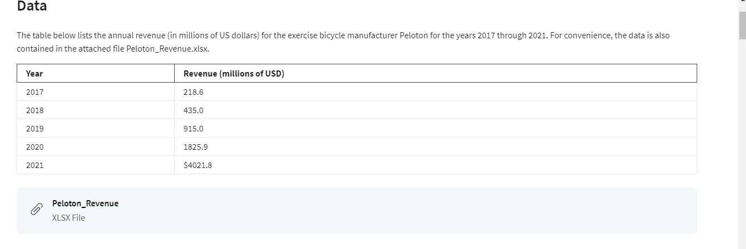
PELOTON BICYCLES

 | Year Number | Year | Revenue(millions of USD)
 | 1 | 2017 | 218.6
 | 2 | 2018 | 435.0
 | 3 | 2019 | 915.0
 | 4 | 2020 | 1825.9
 | 5 | 2021 | 4021.8

 | Exponential: y=ae^bx |  | Power: y=ax^b
 | a: | 103.5936 | a: | 170.9700
 | b: | 0.7259 | b: | 1.7511

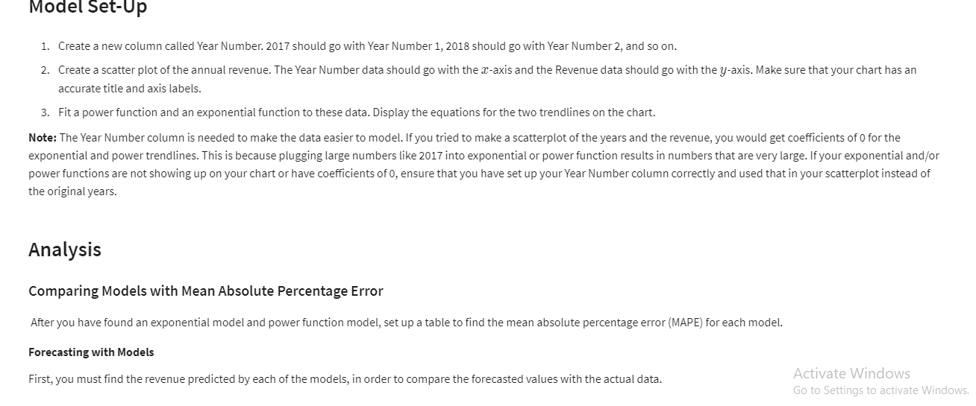
 | EXACT DATA |  | FORECASTS |  | ABSOLUTE PERCENT ERROR
 | Year Number | Revenue | Exponential | Power | Exponential | Power
 | 1 | 218.6 | 214.08551797 | 170.97 | 2% | 22%
 | 2 | 435 | 442.42703219 | 575.51087834 | 2% | 32%
 | 3 | 915 | 914.31536648 | 1170.5957441 | 0% | 28%
 | 4 | 1825.9 | 1889.515171 | 1937.2566596 | 3% | 6%
 | 5 | 4021.8 | 3904.8535246 | 2863.4281246 | 3% | 29%
 | 6 |  | 8069.7320045 | 3940.4023213 | 2% | 23% | less error
 | 7 |  | 16676.829032 | 5161.4424528

BUSINESS CASE 3 NPV
Scenario
A large drug company, Gopher Drugs, is deciding whether one of its new drugs, Iguazu, is worth pursuing. Iguazu is in the final stages of development and will be ready to enter the market one year from now. The final cost of development, to be incurred at the beginning of year 1, is $9.3M. The company estimates that the demand for Iguazu will gradually grow and then decline over its useful lifetime of 20 years. Specifically the company expects its gross margins (revenue minus cost) to be $1.2M in year 1, then to increase at an annual rate of 10% through year 8, and finally to decrease at an annual rate of 5% through year 20. Gopher Drugs wants to develop a spreadsheet model of its 20-year cash flows, assuming its cash flows, other than the initial development cost, are incurred at the end of the respective years. Using an annual discount rate of 12% for purposes of calculating net present value (NPV), the drug company wants to answer the following questions:
1. the drug worth pursuing, or should Gopher Drugs abandon it now and not incur the $9.3M development cost?
2.How do changes in the model change the answer to the prior question?
GOPHER DRUGS

COSTS
DEVELOPMENT COSTS | $9.30 | MILLIONS | CASHFLOWS
 |  |  | END OF YEAR | GROSS MARGIN($M)
LIFETIME OF DRUG | 20 | YEARS | 1 | 1.20
 |  |  | 2 | 1.32 | F6*(1+$B$11)
REVENUE |  |  | 3 | 1.45
YEAR 1 GROSS MARGINS | $1.20 | MILLIONS | 4 | 1.60
INC THROUGH | 8 |  | 5 | 1.76
RATE OF INCREASE | 10% |  | 6 | 1.93
RATE OF DECREASE | 5% |  | 7 | 2.13
DISCOUNT RATE | 12% |  | 8 | 2.34
NET PRESENT VALUE | $13.01 |  | 9 | 2.22 | F13*(1-$B$12)
TRUE NET PRESENT VALUE | $3.71 |  | 10 | 2.11
 |  |  | 11 | 2.00
1. YES THE DRUG SHOULD BE CONSIDERED AS IT GIVES A NET VALUE OF 3.30 MILLION |  |  | 12 | 1.90
 |  |  | 13 | 1.81
2. DECREASE OF 5 YEARS LEADS TO A LOWER TRUE NET PRESENT VALUE WHILE AN INCREASE OF 5 YEARS INCREASES NPV SLIGHTLY |  |  | 14 | 1.72
 |  |  | 15 | 1.63
 |  |  | 16 | 1.55
 |  |  | 17 | 1.47
 |  |  | 18 | 1.40
 |  |  | 19 | 1.33
 |  |  | 20 | 1.26
 |  |  | 21 | 1.20
 |  |  | 22 | 1.14
 |  |  | 23 | 1.08
 |  |  | 24 | 1.03
 |  |  | 25 | 0.98

